Dala Sales & Deliveries
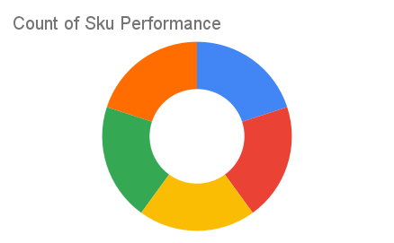
Total Invoices Delivered | 34.00 | Sku Performance | Units | Value
Unique Locations Supplied | 25.00 | 350ml Orisirisi Wallnut Drink (12x) | 2.50 | 54,000.00
Total Value of orders | 1,216,200.00 | 350ml Orisirisi Wallnut with Ginger Drink (12x) | 5.75 | 124,200.00
 |  | 500ml Orisirisi Tiger Nut Drink (12x) | 20.00 | 552,000.00
 |  | 500ml Orisirisi Zobo Drink (12x) | 11.50 | 276,000.00
 |  | 500ml Orisirisi Zobo with Date Drink (12x) | 8.75 | 210,000.00
 |  |  | 0.00 | 0.00
 |  |  | 0.00 | 0.00
 |  |  | 0.00 | 0.00
 |  |  | 0.00 | 0.00
 |  |  | 0.00 | 0.00
 |  |  | 0.00 | 0.00
 |  |  | 0.00 | 0.00

